T01 Evidence
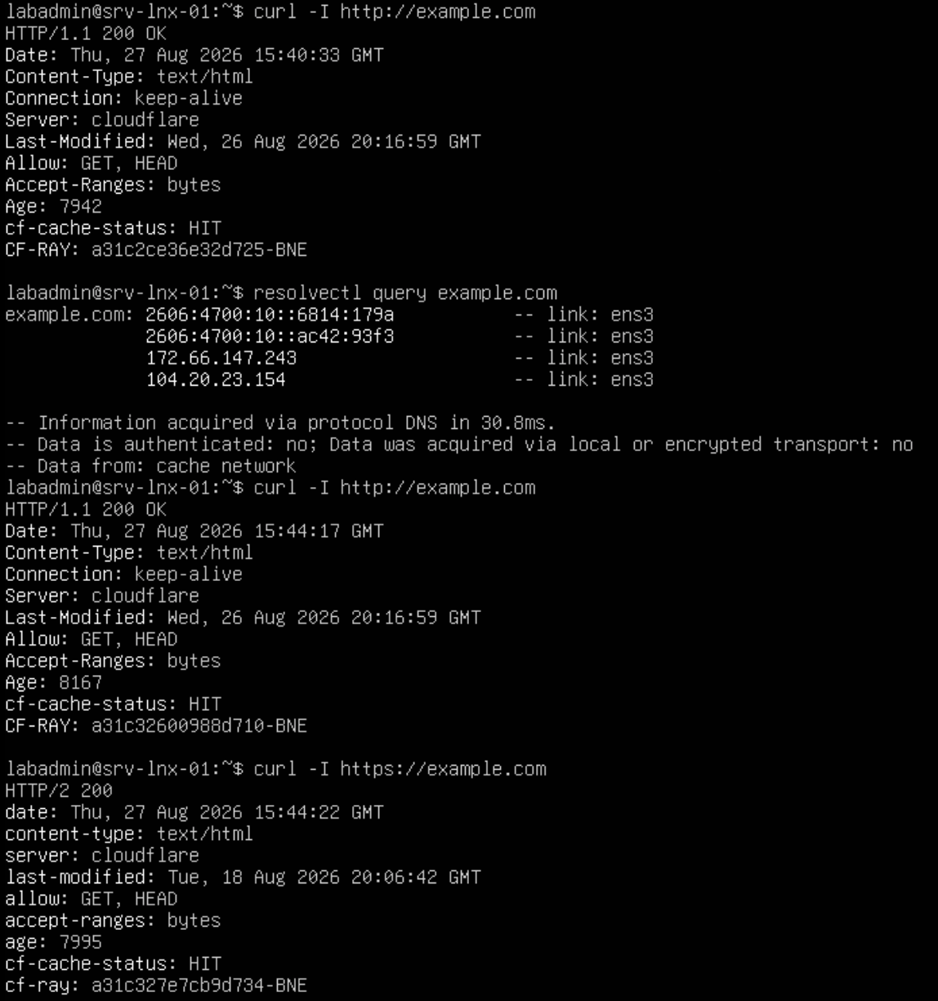

Screenshot: Employee VLAN device successfully accessing the allowed web and DNS services.

T02 Evidence
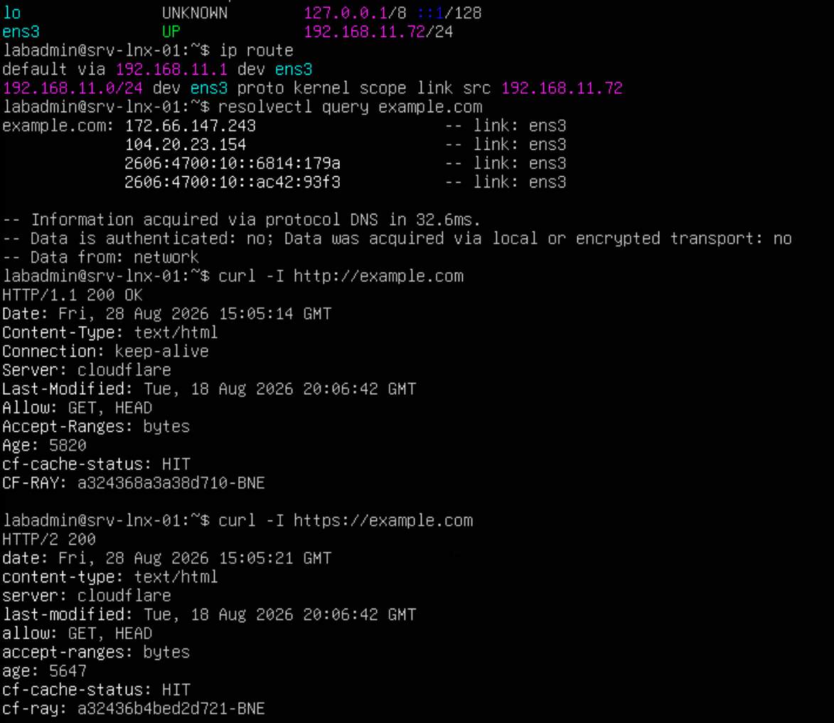

Screenshot: Employee Wi-Fi device successfully accessing the allowed web and DNS services.

T03 Evidence
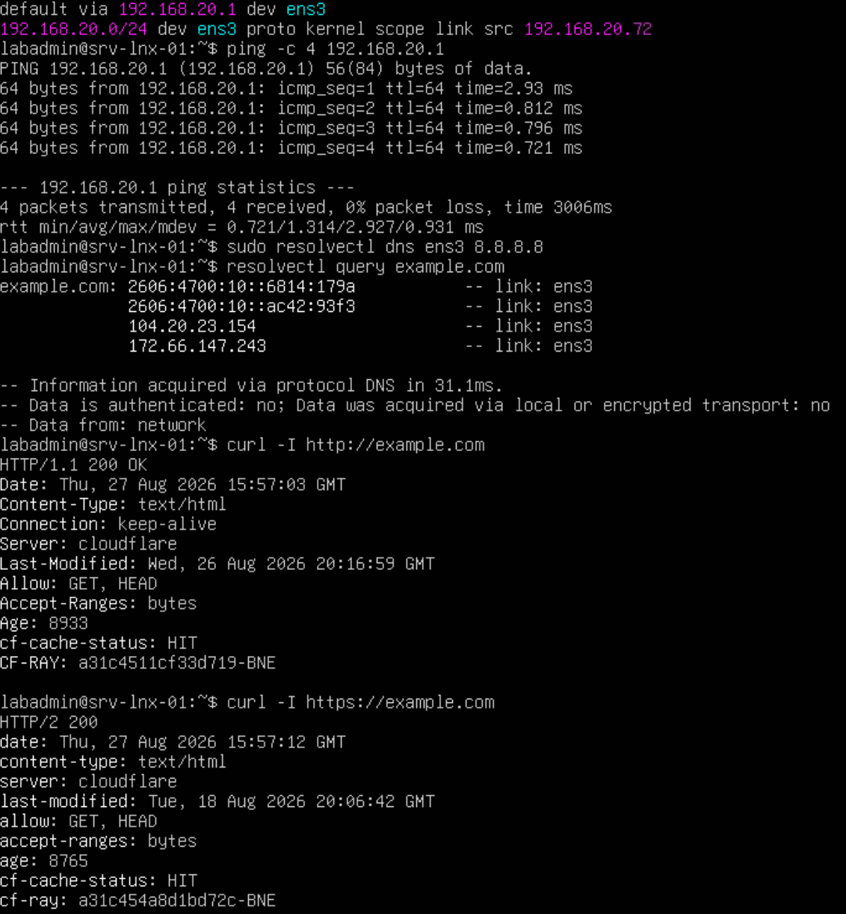

Screenshot: Visitor VLAN device successfully accessing the allowed internet web and DNS services.

T04 Evidence
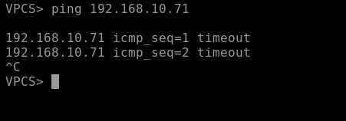

Screenshot 1: Visitor device attempting to access the Employee network, with the connection blocked as expected.

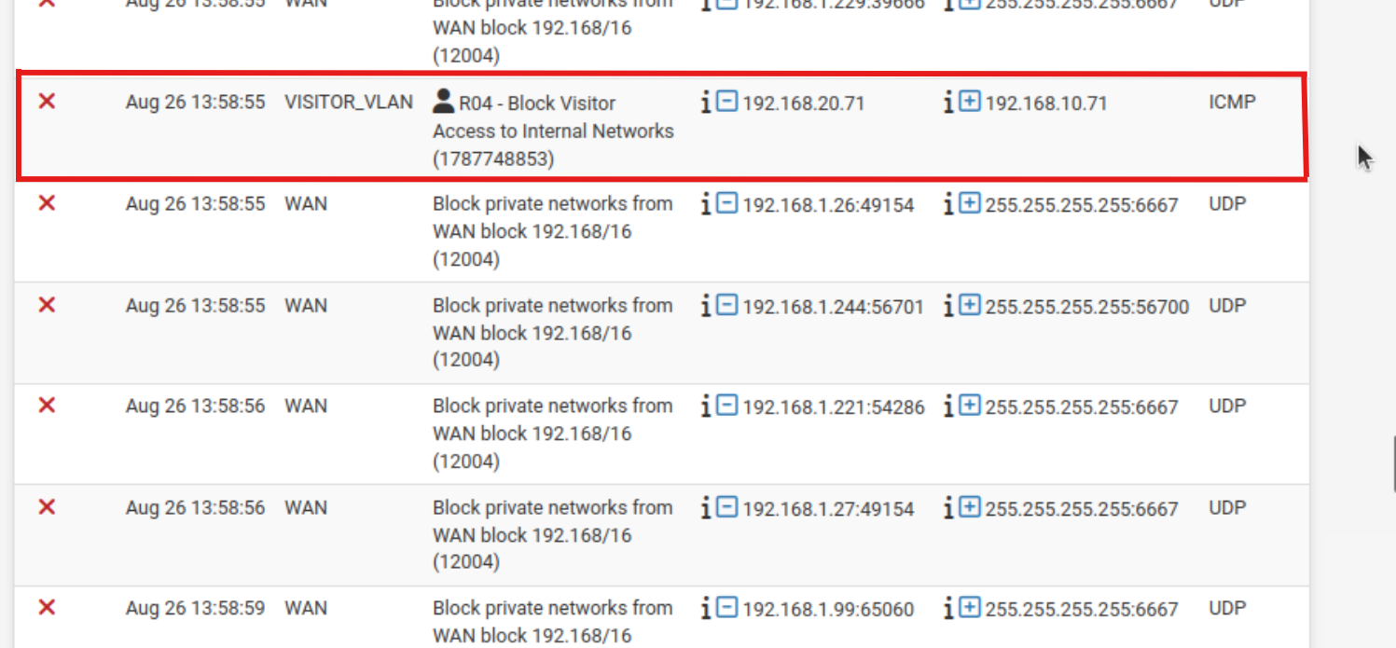

Screenshot 2: pfSense firewall log confirming the blocked Visitor-to-Employee traffic.

T07 Evidence
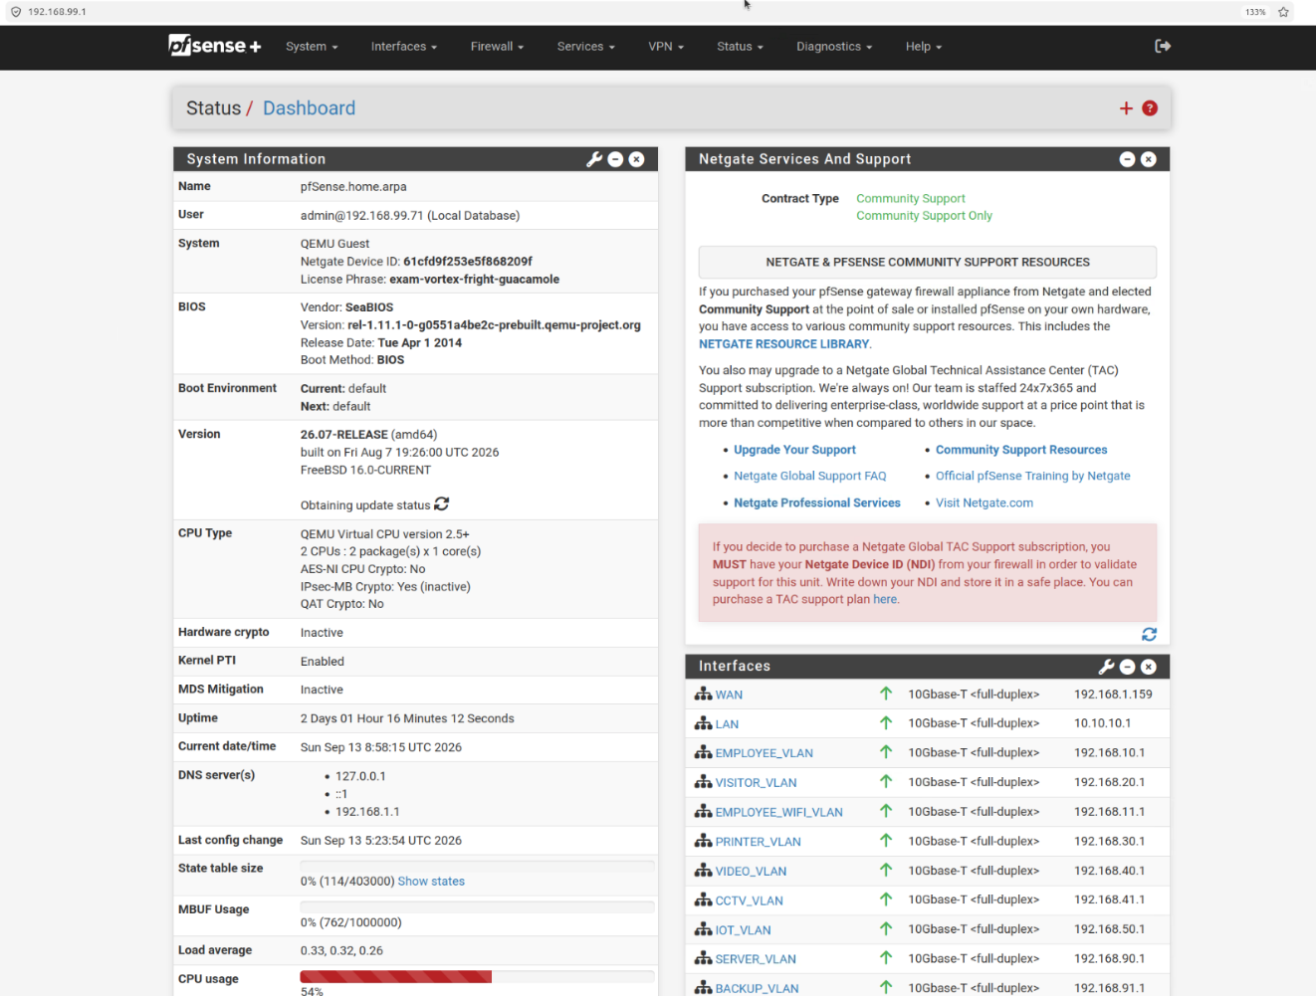

Screenshot: HQ-MGMT-PC successfully accessing the pfSense management interface through VLAN 99.

T11 Evidence
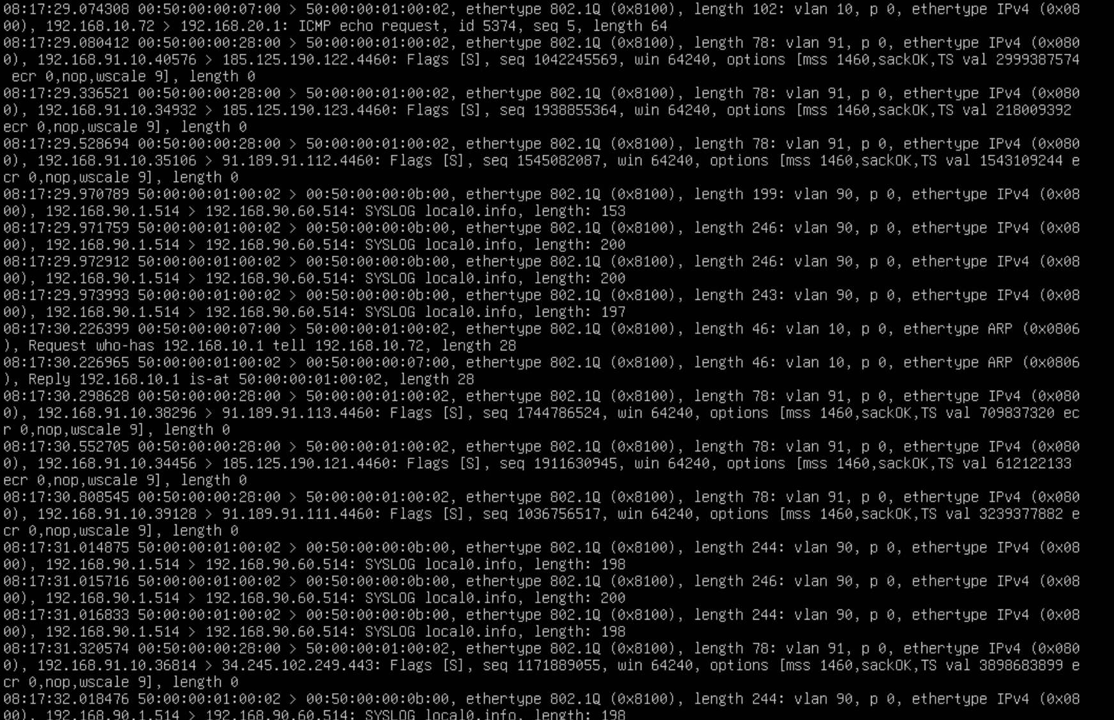

Screenshot: HQ-MONITOR capturing mirrored network traffic through the SPAN interface. The tcpdump output shows 802.1Q tagged traffic from multiple VLANs, including VLAN 10, VLAN 90 and VLAN 91.

T12 Evidence
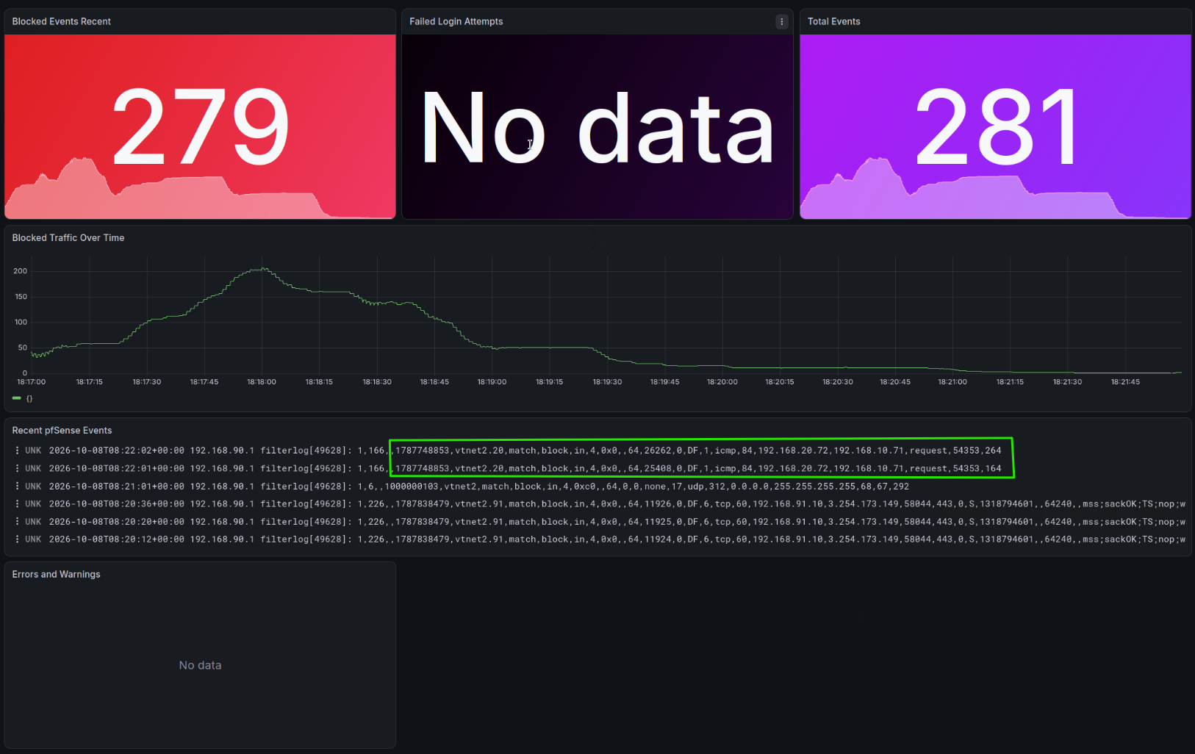

Screenshot: pfSense firewall events returned from Loki after being forwarded by Grafana Alloy.

T13 Evidence
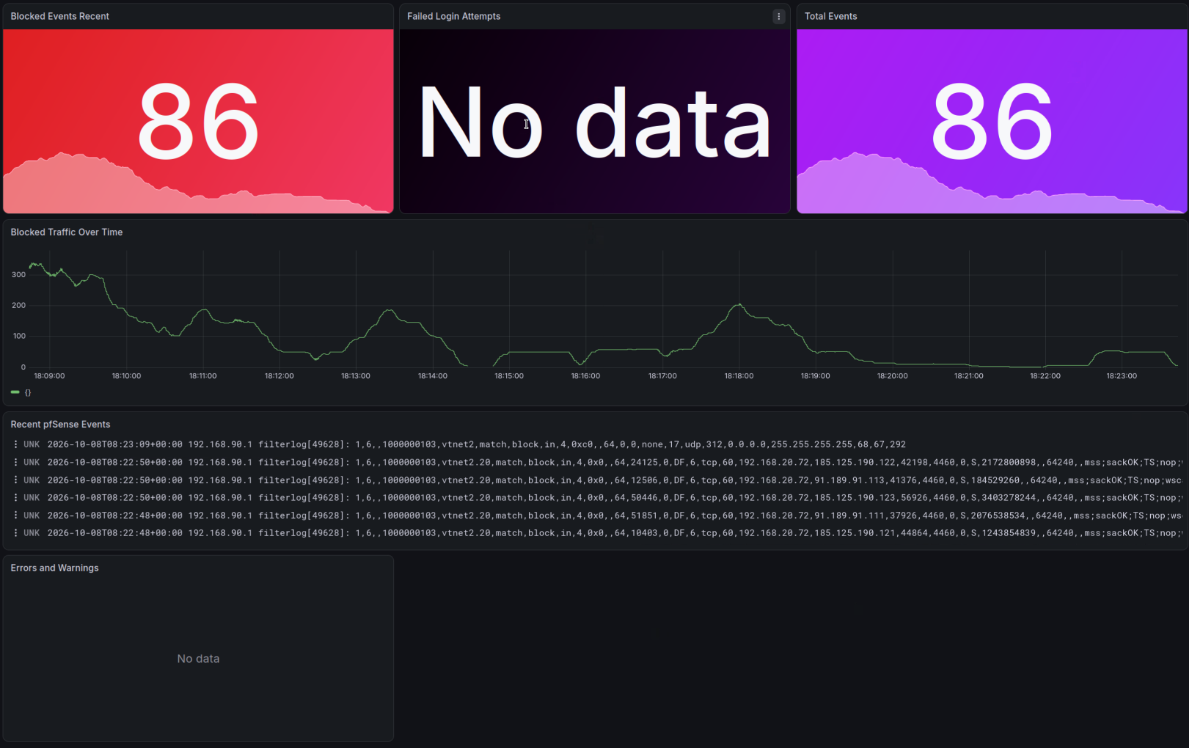

Screenshot: Grafana dashboard on HQ-MONITOR displaying centralised pfSense firewall and authentication events.

T15 Evidence
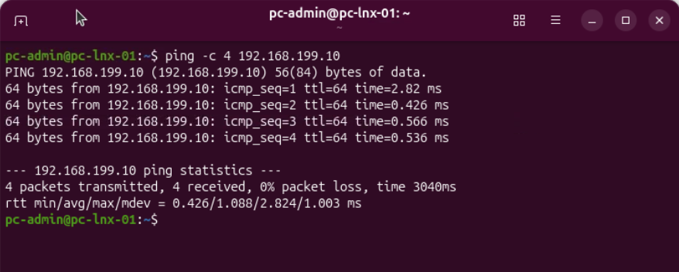

Screenshot: SITE-A-MGMT-PC successfully reaching the Site A switch management interface at 192.168.199.10 through VLAN 99, with 4 replies and 0% packet loss.

T16 Evidence
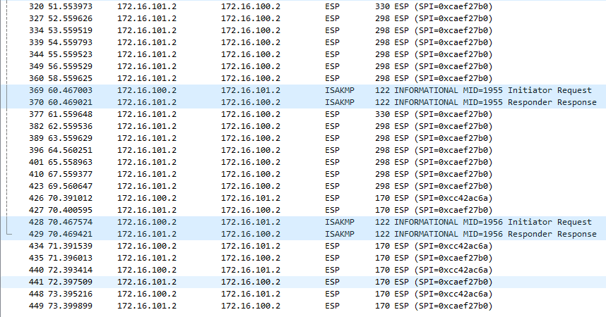

Screenshot: Wireshark showing IKE and ESP traffic between HQ-FW 172.16.100.2 and SITE-A-FW 172.16.101.2, confirming the site-to-site IPsec VPN is active.

T17 Evidence
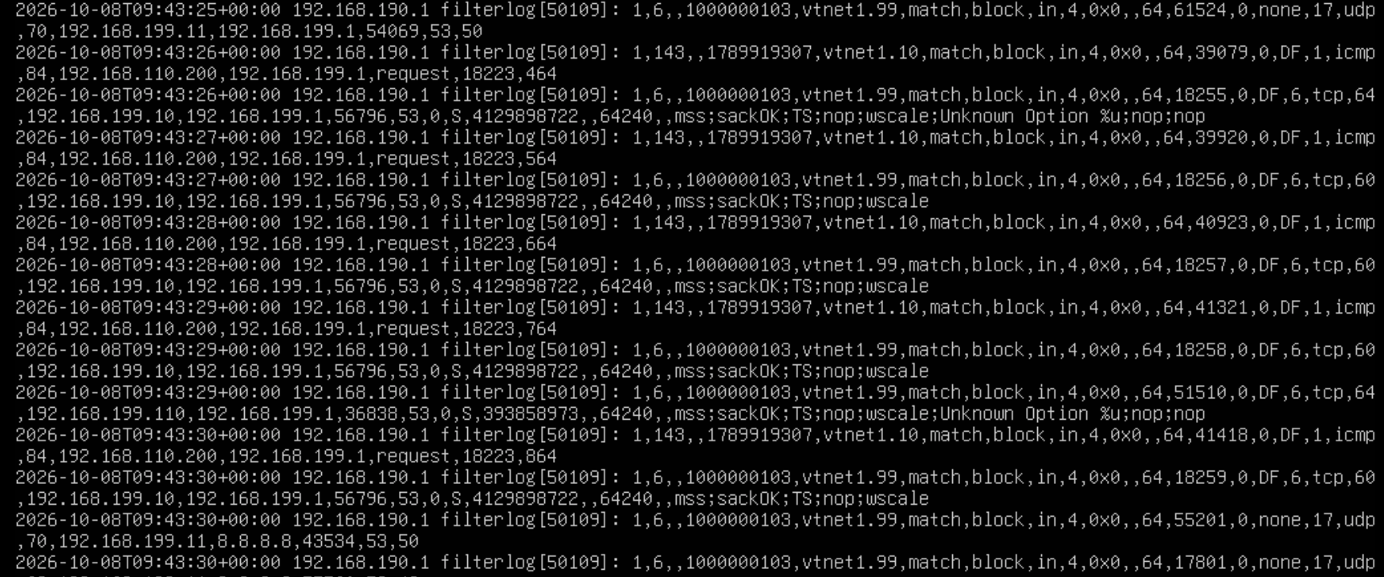

Screenshot: HQ-MONITOR receiving and storing Mine Site A pfSense firewall events in /var/log/sitea-pfsense.log through the site-to-site VPN.

T18 Evidence
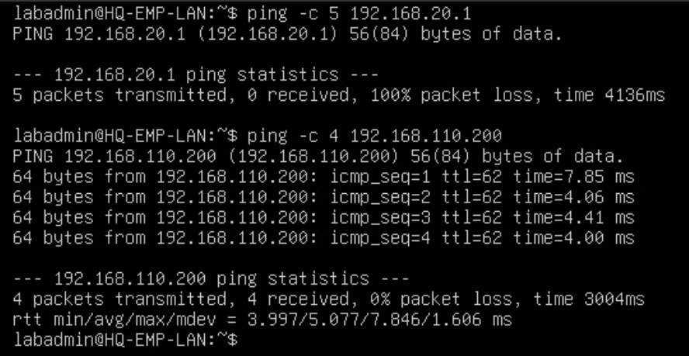

Screenshot: Brisbane HQ Employee device successfully reaching the Mine Site A Employee host at 192.168.110.200 through the site-to-site VPN, with 4 replies and 0% packet loss.

T19 Evidence
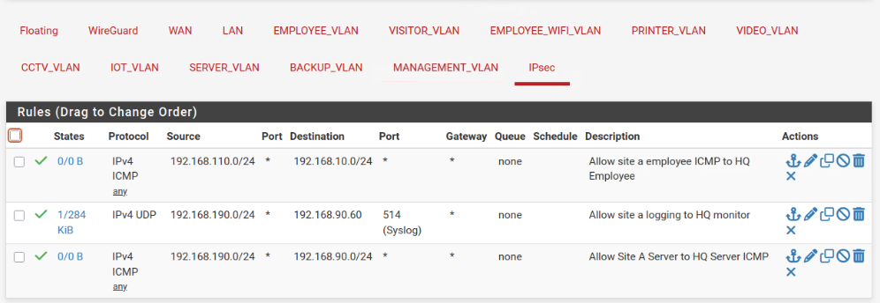

Screenshot 1: HQ-FW IPsec firewall rule allowing the required Mine Site A Server traffic to reach HQ-MONITOR.

Screenshot 2: HQ-MONITOR successfully receiving traffic or firewall events from the Mine Site A Server network after the IPsec rule was added.

T20 Evidence
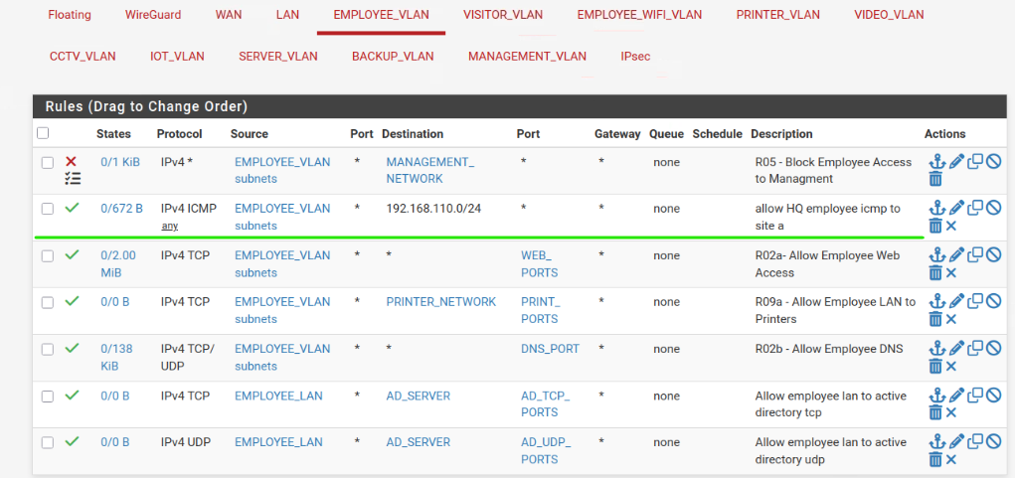

Screenshot 1: HQ Employee firewall rule placed on the Employee VLAN interface, where the traffic enters pfSense before being sent through the VPN.

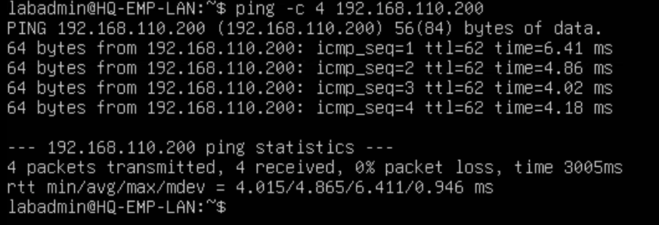

Screenshot 2: HQ Employee traffic successfully reaching the Mine Site A Employee network after the firewall rule was moved to the correct interface.

